Sheet1
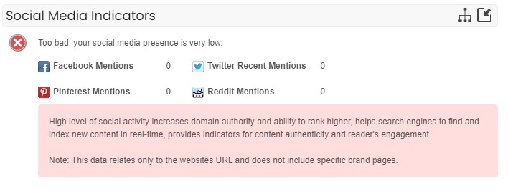
Blake and Ernst

As on 14 OCT 2024, I have conducted an seo audit for the website: https://aligners.pk/

Technical Audit

Issues |  |  |  |  | Results

 | 1 | IP Address |  |  |  |  | 31.132.7.39

 | 2 | Server location |  |  |  |  | ENGLAND, London

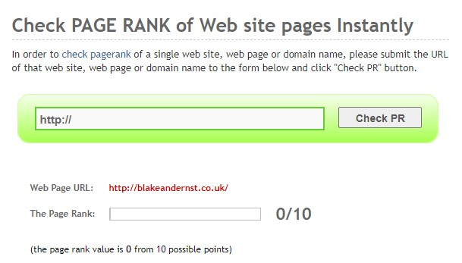
 | 3 | Google Page rank
 |  | 0/10 (Low Quality, Need to post relative data, with alt text in image, HTML tag, etc.)

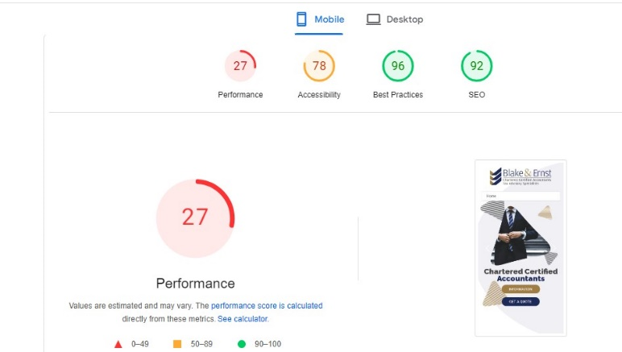
 | 4 | Google Mobile Page Speed Score
 |  |  | 27% (should have 90-100)

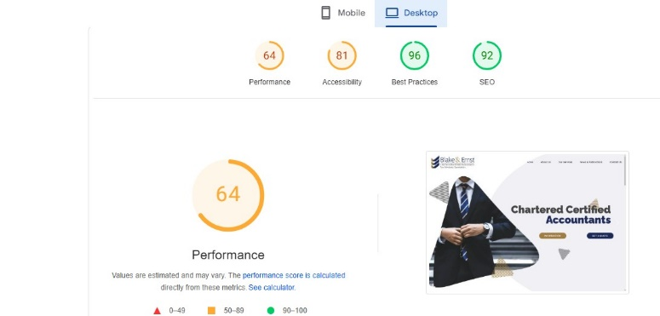

 | 5 | Google Desktop Page Speed Score
 |  |  | 64% (should have 90-100)

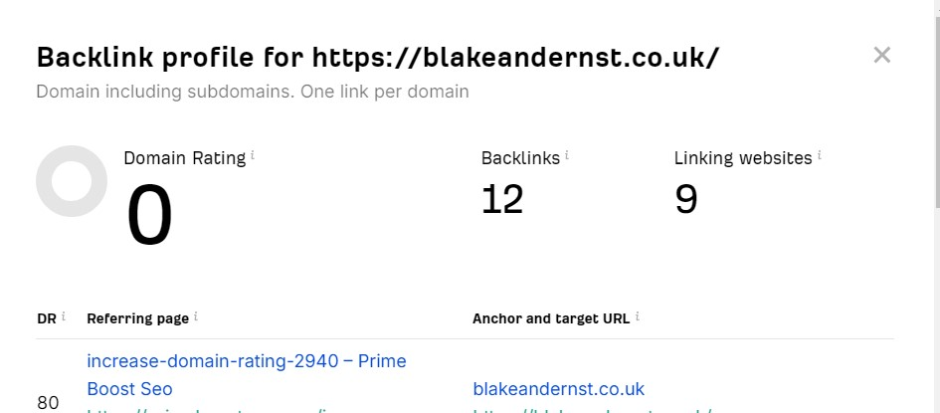

 | 6 | External Backlinks

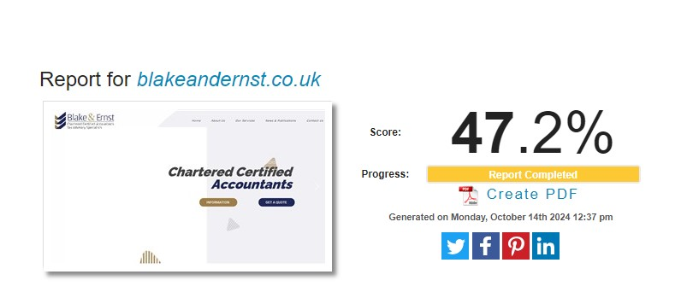
 | 7 | Site Health: 47.2%

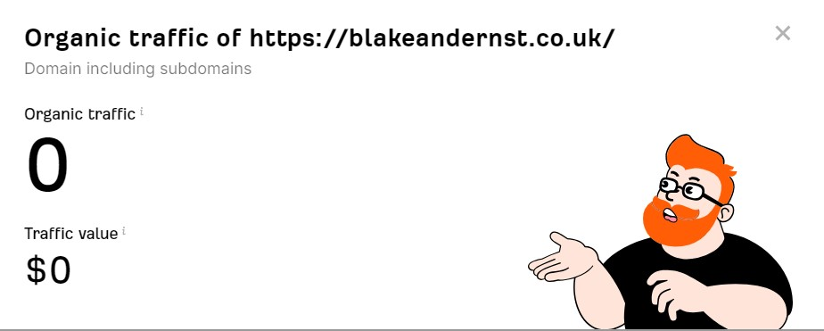

 | 8 | Monthly Organic Traffic

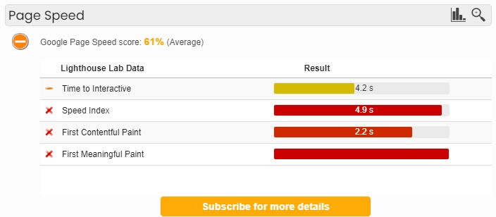

 | 9 | Avg. Page (HTML) Load Speed

 |  |  |  | Tags And Description

 |  |  |  | META TAGS TITLE META TAG: "One moment, please..." DESCRIPTION META TAG: No Description Found.

 | 11 | ROBOTS.TXT Is Available |  |  |  | https://blakeandernst.co.uk/robots.txt

 | 12 | SITEMAP.XML |  |  |  | No Found

 | 13 | IP REDIRECT |  |  | your site's IP 31.132.7.39 does not redirect to blakeandernst.co.uk.

 |  |  |  | Social Media Integration

 |  |  |  | No Social Media Integration

